Assumption
Additional FAQ:
Q1: The opportunity window?
A: Per account team's feedback, currently FS China already had 6 vendors to host their iCloud with good performance, hence they don't have urgency to introduce new vendor now. it's true that FS China will have open bid window in each year, however it doesn't means AWS has the opportunity to directly engage with FS China each year. This time is FS China AT with strong relationship and FS China internal sponsor opens the door for AWS China to do tech validation.
Q2: What is the FS China iCloud overall status? why last year we tried to engage with China mobile instead of direct? e the current 6 vendors situation?
A: Fruitstand's China operations currently utilize object storage services from six different CSPs to meet their iCloud storage needs in China, totaling 3,300PB as of H1 2024 (refer to below screen capture). Additionally, Fruitstand has built two data centers within China, and their on-premises storage solutions contribute an additional 1,500PB of storage capacity as of H1 2024.
As aforementioned, FS China doesn't have intention to introduce new vendor given existing vendors already provide good performance and price. However two of the telcom vendors (China mobile, China Unicom) didn't have its own solution, instead they used IBM Cleversafe solution, hence we tried to partner with China mobile (during their contract renew cycle) to replace IBM solutions last year.
Q3: Monthly deletion ratio and Garbage Collection and Compaction (GC&C) process?
A: The account team (including sales and SA) is unable to determine the exact monthly deletion ratio based on the available insights.
Based on the account team's previous experience dealing with FS China iCloud workloads, the typical contract cycle for each vendor involves the following phases:
Phase I - Ramping: In the first 6-12 months, ramp up to a high storage volume, typically around 50PB per month (monthly DTI).
Phase II - Stabilized: After the initial ramp-up, the storage volume will stabilize, while there will have around 15PB DTI per month, meanwhile FS will free up around 10-15PB space which mainly contributed by two factors: 1) End users deleting a portion of their data stored on iCloud to free up space. and 2) The FS implementing GC&C processes to compact the data, ensuring the overall storage volume remains at a stable level, slightly higher than the committed amount but not exceeding it greatly.
During Phase II, the overall monthly incremental data (DTI) for iCloud remains consistent. The additional 35PB of data (difference between the 50PB in Phase I and the 15PB in Phase II) is stored on other vendors' platforms.
Assumption | Hot:Cold mix is 3:7
 | Hot | S3 Standard | 0.3
 | Cold | S3 IA | 0.7
Storage size | 300 | PB
Average object size | 2.5 | MB | Actual AOS based on existing vendors' use case
Put peak QPS | 11.25 | K/s | per China Mobile RFI file and Baidu Cloud recent operation data
Get peak QPS | 13.5 | K/s | The estimated bandwidth size is 13500 (Put Peak QPS) * 2.5 (average file size) / 1024 (converted to GB/s) * 8 (converted to bandwidth unit Gbps) = 264Gbps
Delete peak QPS | 18.5 | K/s | per China Mobile RFI file and Baidu Cloud recent operation data
Peak to Average ratio | 16.7% |  | per iCloud working mechanism, the data ingestion will happen on the condition with Wifi connection and in charging, we assume the ingestion will only happen during 1-5 am (4 hours/24 hours = 16.7%)
Daily DTI | 0.33 | PB | Based on China Mobile and Baidu Cloud iCloud workload operation data

Public price (CNY) | Exchange Rate | 7.08 | AWS STD exchange rate for H2'2024
Region | S3 Tiering | Storage Price | PUT price (per 1,000) | GET price (per 10,000) | Data Retrieval (per GB) | DTO (per GB)
BJS | S3-STD | 0.18100 | 0.0045 | 0.015 | 0 | 0.933
 | S3-IA | 0.13377 | 0.0637 | 0.0637 | 0.0637 | 0.933
ZHY | S3-STD | 0.16290 | 0.00405 | 0.0135 | 0 | 0.933
 | S3-IA | 0.10300 | 0.04905 | 0.04905 | 0.0637 | 0.933

Public price (USD)
Region | S3 Tiering | Storage Price | PUT price (per 1,000) | GET price (per 10,000) | Data Retrieval (per GB) | DTO (per GB)
BJS | S3-STD | 0.02556 | 0.00064 | 0.00212 |  | 0.13178
 | S3-IA | 0.01889 | 0.00900 | 0.00900 | 0.00900 | 0.13178
ZHY | S3-STD | 0.02301 | 0.00057 | 0.00191 |  | 0.13178
 | S3-IA | 0.01455 | 0.00693 | 0.00693 | 0.00900 | 0.13178

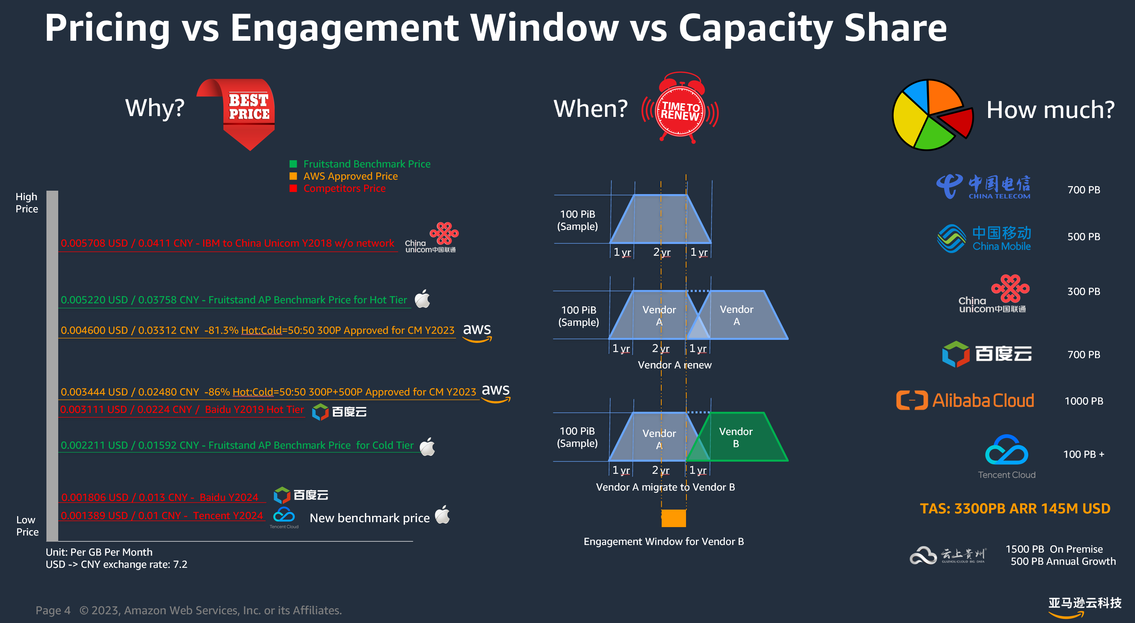
 | BJS disc -> | 91.10% | 92.5% | 76.0% | 83.6% | 86.5% | <= update yellow cells to adjust disc ask
Private price (USD) | ZHY disc -> | 89.60% | 93% | 76% | 84% | 86.5%
Region | S3 Tiering | Storage Price | PUT price (per 1,000) | GET price (per 10,000) | Data Retrieval (per GB) | DTO (per GB) |  | check global DTO disc
BJS | S3-STD | 0.00228 | 0.00005 | 0.00051 |  | 0.01779
 | S3-IA | 0.00168 | 0.00067 | 0.00216 | 0.00148 | 0.01779 |  | 6家 vendor situation
ZHY | S3-STD | 0.00239 | 0.00004 | 0.00046 |  | 0.01779 |  | 那张图
 | S3-IA | 0.00151 | 0.00052 | 0.00166 | 0.00148 | 0.01779 |  | 上次啥价格
 |  |  |  |  |  |  |  | 上次为啥要走 partner
Customer Data access pattern
Region | S3 Tiering | Usage (PB) | PUT Monthly Volume (per 1,000) | Get Monthly (per 10,000) | Data Retrieval (GB) | DTO (GB)
BJS | S3-STD | 90 | 4,443,620 | 533,234 | 0 | 947,257
 | S3-IA | 210 | 3,110,534 | 373,264 | 9,112,892 | 663,080
ZHY | S3-STD | 90 | 4,443,620 | 533,234 | 0 | 947,257
 | S3-IA | 210 | 3,110,534 | 373,264 | 9,112,892 | 663,080

Inclusive (Storage, API calls and DTO) Total Cost after discount - In USD
Region | S3 Tiering | Storage | PUT | GET | Data Retrieval | DTO
BJS | S3-STD | 214,723 | 212 | 271 | 0 | 16,852
 | S3-IA | 370,284 | 2,099 | 806 | 13,446 | 11,796
ZHY | S3-STD | 225,821 | 191 | 244 | 0 | 16,852
 | S3-IA | 333,163 | 1,616 | 621 | 13,446 | 11,796

Inclusive per GB cost after discount - In USD
Region | Storage | API Calls | DTO | Inclusive Total | Open Door price (Per GB)
BJS | 0.00186 | 0.00005 | 0.00009 | 0.00200 | 0.00200
mix | 92.8% | 2.7% | 4.5% | 100%
ZHY | 0.00178 | 0.00005 | 0.00009 | 0.00192
mix | 92.6% | 2.7% | 4.7% | 100%

